Sheet1
 |  |  |  |  |  |  | BEFORE FALIURE
etas | theta2-theta1 | theta3-theta1 | theta5-theta1 | theta6-theta1 | theta3-theta2 | theta4-theta3 | theta5-theta4 | theta6-theta5 | Steady state | Peak | Peak time | Zeta | Omega | Q
1 | -2.7755575616E-16 | -1.6653345369E-16 | 1.6653345369E-16 | -1.6653345369E-16 | 1.1102230246E-16 | 2.2204460493E-16 | 1.1102230246E-16 | -3.3306690739E-16 | NA | NA | NA | NA | 0 | 0
2 | 0.60150095501 | 0.37174803446 | -0.37174803446 | -0.60150095501 | -0.22975292055 | -0.37174803446 | -0.37174803446 | -0.22975292055 | -0.031089299 | -0.059172566 | 0.225977172 | 0.032351902 | 13.9095378 | -6.0150095501
3 | -0.15412341702 | 0.35491164992 | 0.35491164992 | -0.15412341702 | 0.50903506694 | 0.66315848396 | -0.66315848396 | -0.50903506694 | 0.116159932 | 0.222136321 | 0.203892554 | 0.029193009 | 15.4146492 | 27.60092537
4 | 0.37174803446 | -0.60150095501 | 0.60150095501 | -0.37174803446 | -0.97324898947 | 0.60150095501 | 0.60150095501 | -0.97324898947 | -0.007339188 | -0.01423146 | 0.139616377 | 0.019994575 | 22.5061049 | -3.7174803446
5 | 0.81649658093 | 1.1102230246E-16 | 1.9984014443E-15 | 0.81649658093 | -0.81649658093 | 0.81649658093 | -0.81649658093 | 0.81649658093 | 0.014580296 | 0.028314918 | 0.132780529 | 0.019015971 | 23.6643191 | 8.1649658093
6 | -0.89976625057 | -1.1721935509 | -1.1721935509 | -0.89976625057 | -0.27242730033 | 0.62733895024 | -0.62733895024 | 0.27242730033 | 0.085950245 | 0.167554052 | 0.115317035 | 0.016515696 | 27.2468088 | 63.808481036

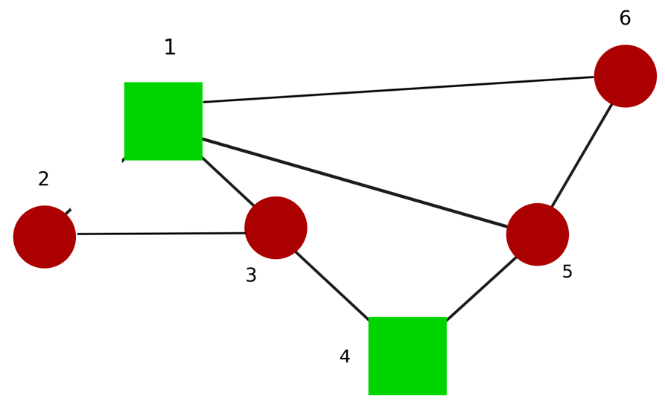
 |  |  |  |  |  |  |  | AFTER FALIURE
Failed Line : Line2-1
 | theta2-theta1 | theta3-theta1 | theta5-theta1 | theta3-theta2 | theta4-theta3 | theta5-theta4 | theta6-theta5 | theta6-theta5 | Steady State | Peak | Peak time | Zeta | Omega | Q
1 | NA | -1.6653345369E-16 | 0 | 2.2204460493E-16 | -3.8857805862E-16 | -5.5511151231E-16 | 7.2164496601E-16 | 2.2204460493E-16 | NA | NA | NA | NA | 0 | 0
2 | NA | -0.44186704166 | 0.088508147752 | 0.19393627207 | 0.57261073596 | 0.29016631614 | 0.24020887327 | 0.10542812432 | 0.20902492893 | 0.39059790646 | 0.31287970909 | 0.04477177671 | 10.050974812 | 21.116136159
3 | NA | 0.40132908571 | 0.24093308367 | -0.30463015151 | 0.49464863473 | 0.55834570257 | -0.71874170462 | -0.54556323518 | 0.11565275415 | 0.22112433123 | 0.20477932853 | 0.02931986753 | 15.347954746 | 27.243129792
4 | NA | 1.1102230246E-15 | -0.86602540378 | -0.86602540378 | 0.86602540378 | -0.86602540378 | -5.5511151231E-16 | 6.1062266354E-16 | 0.030929478707 | 0.059796816784 | 0.15333099317 | 0.021957751641 | 20.493901532 | 12.990381057
5 | NA | 0.61686898908 | -0.34969297128 | 0.87545792684 | 0.42247417344 | -0.10329078213 | -0.86327117823 | 1.2251508981 | 0.0023546868726 | 0.0045676209429 | 0.137974416 | 0.019759520723 | 22.773831729 | 1.2212522517
6 | NA | 1.1239044144 | 1.0304525136 | 0.59427486191 | 0.70636764223 | -0.91835973329 | 0.82490783247 | -0.43617765171 | -0.087519242748 | -0.1704350994 | 0.12007192881 | 0.017196493665 | 26.168125245 | -59.930620018

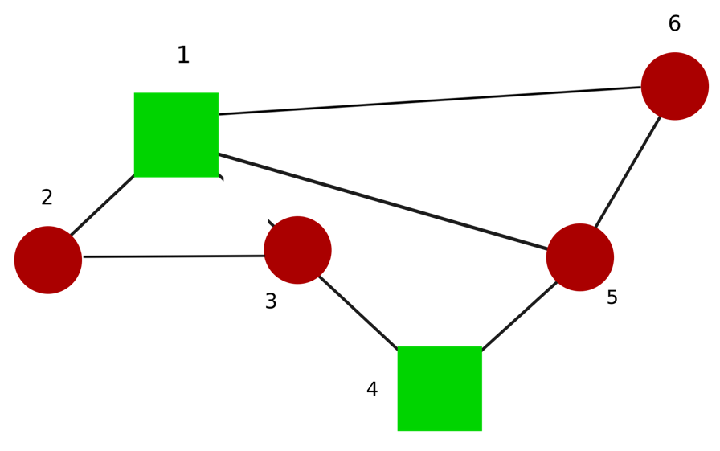
Failed Line: Line3-1
1 | -1.1102230246E-16 | NA | -5.5511151231E-17 | 1.1102230246E-16 | 0 | -5.5511151231E-17 | 1.1102230246E-16 | 1.6653345369E-16 | NA | NA | NA | NA | 0 | 0
2 | 0.57735026919 | NA | 0 | -0.28867513459 | 0.28867513459 | -0.28867513459 | -0.57735026919 | -0.28867513459 | -0.051549131178 | -0.097288893135 | 0.26570527117 | 0.038031941463 | 11.832159566 | -7.2168783649
3 | 0.38268343237 | NA | -0.54119610015 | -0.27059805007 | -0.65328148244 | -0.65328148244 | 0.38268343237 | 0.27059805007 | -0.09732897543 | -0.18584407424 | 0.21094132036 | 0.030201335394 | 14.900003398 | -21.608015692
4 | -2.7755575616E-16 | NA | 0 | -0.86602540378 | -0.86602540378 | 0.86602540378 | 2.7755575616E-16 | -0.86602540378 | 0.072168783649 | 0.13952590583 | 0.15333099317 | 0.021957751641 | 20.493901532 | 30.310889132
5 | -0.81649658093 | NA | -4.9960036108E-16 | -0.81649658093 | 0.81649658093 | -0.81649658093 | 0.81649658093 | -0.81649658093 | -0.014580296088 | -0.028314918058 | 0.13278052925 | 0.019015970731 | 23.664319132 | -8.1649658093
6 | -0.92387953251 | NA | -1.3065629649 | -0.65328148244 | 0.27059805007 | 0.27059805007 | -0.92387953251 | 0.65328148244 | 0.094984043401 | 0.18471637124 | 0.12639513262 | 0.018101802639 | 24.859402622 | 58.699179363



Failed Line: Line5-1
1 | 5.5511151231E-17 | 5.5511151231E-17 | NA | 0 | 0 | 0 | -5.5511151231E-17 | 0 | NA | NA | NA | NA | 0 | 0
2 | -0.28867513459 | -1.1102230246E-16 | NA | 0.57735026919 | 0.28867513459 | 0.57735026919 | 0.28867513459 | -0.28867513459 | 0.010309826236 | 0.019457778627 | 0.26570527117 | 0.038031941463 | 11.832159566 | 1.443375673
3 | -0.27059805007 | -0.54119610015 | NA | 0.38268343237 | -0.27059805007 | -0.38268343237 | 0.65328148244 | 0.65328148244 | -0.067903220534 | -0.12965728964 | 0.21094132036 | 0.030201335394 | 14.900003398 | -15.075200867
4 | -0.86602540378 | -4.4408920985E-16 | NA | -3.3306690739E-16 | 0.86602540378 | 0 | -0.86602540378 | 0.86602540378 | 0.09278843612 | 0.17939045035 | 0.15333099317 | 0.021957751641 | 20.493901532 | 38.97114317
5 | -0.81649658093 | 2.7755575616E-15 | NA | -0.81649658093 | 0.81649658093 | -0.81649658093 | 0.81649658093 | -0.81649658093 | -0.014580296088 | -0.028314918058 | 0.13278052925 | 0.019015970731 | 23.664319132 | -8.1649658093
6 | -0.65328148244 | -1.3065629649 | NA | -0.92387953251 | -0.65328148244 | 0.92387953251 | -0.27059805007 | -0.27059805007 | 0.090605362607 | 0.17620110911 | 0.12639513262 | 0.018101802639 | 24.859402622 | 55.993198862



Failed Line: Line6-1
1 | -1.6653345369E-16 | -2.2204460493E-16 | 0 | NA | -5.5511151231E-17 | 2.2204460493E-16 | 0 | 1.1102230246E-16 | NA | NA | NA | NA | 0 | 0
2 | -0.19393627207 | -0.088508147752 | 0.44186704166 | NA | 0.10542812432 | 0.24020887327 | 0.29016631614 | 0.57261073596 | -0.089406141214 | -0.16707027129 | 0.31287970909 | 0.04477177671 | 10.050974812 | -9.0319956618
3 | -0.30463015151 | 0.24093308367 | 0.40132908571 | NA | 0.54556323518 | 0.71874170462 | -0.55834570257 | -0.49464863473 | 0.12462332887 | 0.23827578042 | 0.20477932853 | 0.02931986753 | 15.347954746 | 29.356235817
4 | -0.86602540378 | -0.86602540378 | 9.9920072216E-16 | NA | -7.2164496601E-16 | 5.5511151231E-17 | 0.86602540378 | -0.86602540378 | 0.030929478707 | 0.059796816784 | 0.15333099317 | 0.021957751641 | 20.493901532 | 12.990381057
5 | -0.87545792684 | 0.34969297128 | -0.61686898908 | NA | 1.2251508981 | -0.86327117823 | -0.10329078213 | 0.42247417344 | 0.010776837472 | 0.020904906341 | 0.137974416 | 0.019759520723 | 22.773831729 | 5.5893788603
6 | -0.59427486191 | -1.0304525136 | -1.1239044144 | NA | -0.43617765171 | 0.82490783247 | -0.91835973329 | 0.70636764223 | 0.090100224519 | 0.17546130702 | 0.12007192881 | 0.017196493665 | 26.168125245 | 61.698000915

Failed Line: Line3-2
1 | 5.5511151231E-17 | 2.2204460493E-16 | 3.8857805862E-16 | 1.1102230246E-16 | NA | 2.2204460493E-16 | -5.5511151231E-17 | -2.7755575616E-16 | NA | NA | NA | NA | 0 | 0
2 | -0.741559589 | 0.37688154459 | 0.28023527279 | 0.17215730636 | NA | 0.1322935407 | -0.2289398125 | -0.10807796643 | 0.13811297754 | 0.25971146227 | 0.28299448811 | 0.04050271182 | 11.110367178 | 17.048701694
3 | -0.33482310522 | -0.58669585474 | 0.17585897858 | 0.59477466744 | NA | 0.11350440962 | 0.6490504237 | 0.41891568886 | -0.038938528692 | -0.074197965917 | 0.22055777584 | 0.0315768199 | 14.250960085 | -7.9080204708
4 | -0.39242745226 | 0.41448212706 | -0.57673692691 | -0.047336767989 | NA | -1.2378718957 | 0.24665284172 | 0.52940015892 | -0.057945016705 | -0.1116989482 | 0.16683947708 | 0.023891173412 | 18.835408049 | -20.557304024
5 | 0.44330596418 | 0.30476489095 | -0.34320021876 | 0.86508450343 | NA | 0.39688378284 | -1.0448488926 | 1.2082847222 | 0.021272681826 | 0.041290753574 | 0.13508500705 | 0.019345880707 | 23.260765783 | 11.509865829
6 | 0.99371192053 | 1.1176185409 | 1.2000541398 | 0.93058744305 | NA | -0.52893440127 | 0.6113700002 | -0.26946669678 | -0.086187132632 | -0.1680021824 | 0.11568818659 | 0.016568837318 | 27.159419299 | -63.574564274



Failed Line: Line4-3
1 | -5.5511151231E-17 | -1.6653345369E-16 | 2.7755575616E-16 | -5.5511151231E-17 | -1.1102230246E-16 | NA | 3.3306690739E-16 | -3.3306690739E-16 | NA | NA | NA | NA | 0 | 0
2 | 0.27931647493 | 0.27931647493 | -0.42575828316 | -0.23584450974 | -1.1102230246E-16 | NA | 0.44983914012 | 0.18991377342 | -0.39134622762 | -0.7279981314 | 0.33454042397 | 0.047864462631 | 9.4015471033 | -34.590736127
3 | -0.43597077302 | -0.43597077302 | 0.094028849492 | 0.57133126011 | -1.6653345369E-16 | NA | 0.72843870255 | 0.47730241062 | -0.06698595258 | -0.12769040145 | 0.21881321384 | 0.031327300511 | 14.364467818 | -13.821743175
4 | 0.70710678119 | -0.70710678119 | 2.2468926483E-16 | -1.1740364143E-16 | -1.4142135624 | NA | 2.0846813608E-16 | -3.4209290626E-16 | 0.0084179378713 | 0.016274632151 | 0.15333099317 | 0.021957751641 | 20.493901532 | 3.5355339059
5 | 0.30268874293 | 0.30268874293 | -0.53009666107 | 0.76852779159 | -2.9143354396E-16 | NA | -1.0229402434 | 1.2986244527 | 0.021988194591 | 0.042666854165 | 0.13645215505 | 0.019541599191 | 23.027798063 | 11.659888474
6 | 1.0678442381 | 1.0678442381 | 1.2364812937 | 1.0135694313 | 8.3266726847E-17 | NA | 0.46969677771 | -0.22291186245 | -0.081720095808 | -0.15923127755 | 0.11750607963 | 0.016829122402 | 26.739362235 | -58.429336729



Failed Line: Line5-4
1 | -5.5511151231E-17 | -4.4408920985E-16 | 5.5511151231E-17 | -1.6653345369E-16 | -3.8857805862E-16 | -5.5511151231E-17 | NA | -2.2204460493E-16 | NA | NA | NA | NA | 0 | 0
2 | -0.23584450974 | -0.42575828316 | 0.27931647493 | 0.27931647493 | -0.18991377342 | -0.44983914012 | NA | -3.8857805862E-16 | -0.33306290366 | -0.61957712734 | 0.33454042397 | 0.047864462631 | 9.4015471033 | -29.43912628
3 | 0.57133126011 | 0.094028849492 | -0.43597077302 | -0.43597077302 | -0.47730241062 | -0.72843870255 | NA | -3.3306690739E-16 | -0.11580402521 | -0.22074870775 | 0.21881321384 | 0.031327300511 | 14.364467818 | -23.894763506
4 | -8.8456439963E-17 | 5.0321438115E-17 | -0.70710678119 | 0.70710678119 | 1.3877787808E-16 | -1.1102230246E-16 | NA | 1.4142135624 | 0.025253813614 | 0.048823896454 | 0.15333099317 | 0.021957751641 | 20.493901532 | 10.606601718
5 | -0.76852779159 | 0.53009666107 | -0.30268874293 | -0.30268874293 | 1.2986244527 | -1.0229402434 | NA | -3.469446952E-16 | -0.013203411037 | -0.025620476064 | 0.13645215505 | 0.019541599191 | 23.027798063 | -7.0014979872
6 | -1.0135694313 | -1.2364812937 | -1.0678442381 | -1.0678442381 | -0.22291186245 | 0.46969677771 | NA | -3.8857805862E-16 | 0.080961000692 | 0.15775218378 | 0.11750607963 | 0.016829122402 | 26.739362235 | 57.886588661

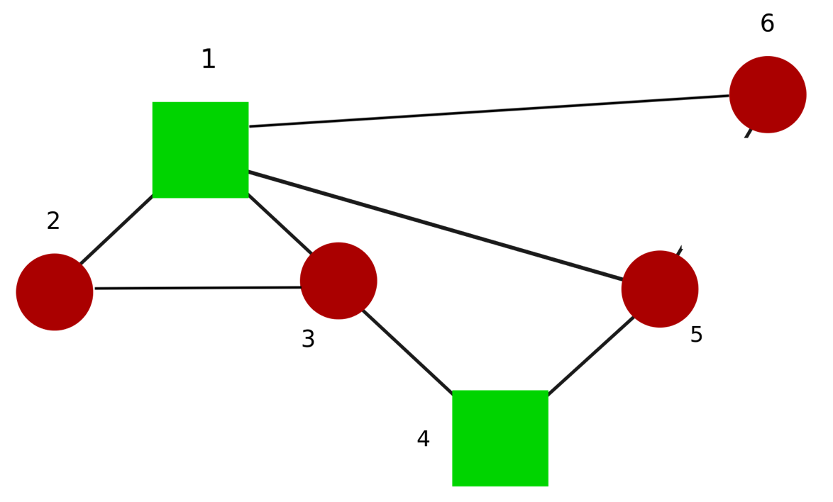

Failed Line: Line6-5
1 | -5.5511151231E-17 | -1.1102230246E-16 | -3.3306690739E-16 | 1.1102230246E-16 | -5.5511151231E-17 | -7.2164496601E-16 | 4.9960036108E-16 | NA | NA | NA | NA | NA | 0 | 0
2 | -0.17215730636 | -0.28023527279 | -0.37688154459 | 0.741559589 | -0.10807796643 | -0.2289398125 | 0.1322935407 | NA | -0.064091997341 | -0.12052036417 | 0.28299448811 | 0.04050271182 | 11.110367178 | -7.91153274
3 | -0.59477466744 | -0.17585897858 | 0.58669585474 | 0.33482310522 | 0.41891568886 | 0.6490504237 | 0.11350440962 | NA | 0.084711259904 | 0.16141860996 | 0.22055777584 | 0.0315768199 | 14.250960085 | 17.203998197
4 | 0.047336767989 | 0.57673692691 | -0.41448212706 | 0.39242745226 | 0.52940015892 | 0.24665284172 | -1.2378718957 | NA | 0.067672111971 | 0.130449591 | 0.16683947708 | 0.023891173412 | 18.835408049 | 24.008210867
5 | -0.86508450343 | 0.34320021876 | -0.30476489095 | -0.44330596418 | 1.2082847222 | -1.0448488926 | 0.39688378284 | NA | -0.013477316702 | -0.026159774651 | 0.13508500705 | 0.019345880707 | 23.260765783 | -7.2920804366
6 | 0.93058744305 | 1.2000541398 | 1.1176185409 | 0.99371192053 | 0.26946669678 | -0.6113700002 | 0.52893440127 | NA | -0.085331363069 | -0.16633405457 | 0.11568818659 | 0.016568837318 | 27.159419299 | -62.943319499

 |  |  |  | Before faliure | Steady State of thetaj-thetai

 | -0.104761905 | -0.066666667 | -0.052380952 | -0.061904762 | 0.038095238 | 0.2 | -0.135714286 | -0.00952381

 |  |  |  | After faliure | Steady State of thetaj-thetai |  |  |  |  |  |  | Difference in Steady state after and before faliure
 | theta2-theta1 | theta3-theta1 | theta5-theta1 | theta3-theta2 | theta4-theta3 | theta5-theta4 | theta6-theta5 | theta6-theta5 |  | theta2-theta1 | theta3-theta1 | theta5-theta1 | theta3-theta2 | theta4-theta3 | theta5-theta4 | theta6-theta5 | theta6-theta5
Line 2-1 | NA | -0.14285714286 | -0.071428571429 | -0.071428571429 | 0.14285714286 | 0.17857142857 | -0.10714285714 | -2.7755575616E-17 | Line 2-1 | #VALUE! | -0.076190475857 | -0.019047619429 | -0.0095238094286 | 0.10476190486 | -0.021428571429 | 0.028571428857 | 0.00952381
Line 3-1 | -0.14285714286 | NA | -0.071428571429 | -0.071428571429 | -2.0816681712E-17 | 0.17857142857 | -0.10714285714 | -3.469446952E-17 | Line 3-1 | -0.038095237857 | #VALUE! | -0.019047619429 | -0.0095238094286 | -0.038095238 | -0.021428571429 | 0.028571428857 | 0.00952381
Line 5-1 | -0.11224489796 | -0.081632653061 | NA | -0.091836734694 | 0.030612244898 | 0.12755102041 | -0.15816326531 | 0.020408163265 | Line 5-1 | -0.0074829929592 | -0.014965986061 | NA | -0.029931972694 | -0.007482993102 | -0.072448979592 | -0.022448979306 | 0.029931973265
Line 6-1 | -0.11038961039 | -0.077922077922 | -0.097402597403 | NA | 0.032467532468 | 0.13311688312 | -0.1525974026 | -0.071428571429 | Line 6-1 | -0.0056277053896 | -0.011255410922 | -0.045021645403 | NA | -0.0056277055325 | -0.066883116883 | -0.016883116597 | -0.061904761429
Line 3-2 | -0.14285714286 | -0.038961038961 | -0.045454545455 | -0.058441558442 | NA | 0.13961038961 | -0.1461038961 | -0.012987012987 | Line 3-2 | -0.038095237857 | 0.027705628039 | 0.0069264065455 | 0.0034632035584 | NA | -0.06038961039 | -0.010389610104 | -0.003463202987
Line 4-3 | -0.15476190476 | -0.16666666667 | 0.047619047619 | -0.011904761905 | -0.011904761905 | NA | -0.28571428571 | -0.059523809524 | Line 4-3 | -0.049999999762 | -0.099999999667 | 0.099999999619 | 0.050000000095 | -0.049999999905 | NA | -0.14999999971 | -0.049999999524
Line 5-4 | -0.059523809524 | 0.02380952381 | -0.14285714286 | -0.10714285714 | 0.083333333333 | 0.28571428571 | NA | 0.035714285714 | Line 5-4 | 0.045238095476 | 0.09047619081 | -0.090476190857 | -0.045238095143 | 0.045238095333 | 0.085714285714 | NA | 0.045238095714
Line 6-5 | -0.1038961039 | -0.064935064935 | -0.045454545455 | -0.071428571429 | 0.038961038961 | 0.1525974026 | -0.13311688312 | NA | Line 6-5 | 0.0008658011039 | 0.0017316020649 | 0.0069264065455 | -0.0095238094286 | 0.00086580096104 | -0.047402597403 | 0.0025974028831 | NA

 | INDEX
 |  | Max steady staet flow value

 |  |  |  |  |  |  |  |  |  |  |  | Faliure happens at 10s
 |  |  |  | After faliure peak of thetaj-thetai |  |  |  |  |  |  |  | Peak times in seconds
 | theta2-theta1 | theta3-theta1 | theta5-theta1 | theta3-theta2 | theta4-theta3 | theta5-theta4 | theta6-theta5 | theta6-theta5 |  | theta2-theta1 | theta3-theta1 | theta5-theta1 | theta3-theta2 | theta4-theta3 | theta5-theta4 | theta6-theta5 | theta6-theta5
Line 2-1 | NA | -0.20487083393 | -0.10250550425 | -0.11072702074 | 0.20125455391 | 0.24058255471 | -0.14218550238 | 0.018532289933 | Line 2-1 | NA | 10.342 | 10.1314 | 10.1278 | 10.2448 | 10.3168 | 10.5994 | 10.315
Line 3-1 | -0.1694507588 | NA | -0.085545331439 | -0.094098657564 | 0.038426213924 | 0.20307831457 | -0.13711925005 | -0.028589696395 | Line 3-1 | 10.8388 | NA | 10.63 | 11.0836 | 10 | 10.7884 | 10.009 | 10.4806
Line 5-1 | -0.13015973263 | -0.092816868375 | NA | -0.1129345076 | 0.053000159451 | 0.15131162085 | -0.17763408155 | 0.042183796661 | Line 5-1 | 11.0836 | 10.6282 | NA | 10.8388 | 10.4806 | 10.0162 | 10.7884 | 10.1926
Line 6-1 | -0.13372035581 | -0.096261365016 | -0.13377092486 | NA | 0.042701007482 | 0.15340742465 | -0.18928663183 | -0.10508372764 | Line 6-1 | 10.126 | 10.1296 | 10.342 | NA | 10.6786 | 10.5976 | 10.3168 | 10.2448
Line 3-2 | -0.1715274798 | -0.066881979289 | -0.060673986245 | -0.066158933432 | NA | 0.15770787095 | -0.16144173943 | -0.02302596349 | Line 3-2 | 10.261 | 10.0054 | 10.5184 | 11.1538 | NA | 10.324 | 10.2754 | 10.3294
Line 4-3 | -0.24693383574 | -0.23340746498 | 0.14269198472 | -0.064930158523 | -0.058883569892 | NA | -0.39291703921 | -0.11294764382 | Line 4-3 | 10.3294 | 10.3888 | 10.306 | 10.6228 | 10.153 | NA | 10.3348 | 10.2862
Line 5-4 | -0.10746865309 | 0.10955084043 | -0.20327536371 | -0.19065291258 | 0.13146911997 | 0.38243485606 | NA | 0.078407800082 | Line 5-4 | 10.6228 | 10.306 | 10.3906 | 10.3294 | 10.2844 | 10.3348 | NA | 10.153
Line 6-5 | -0.10600250593 | -0.069484401917 | -0.052819460639 | -0.07863463055 | 0.041678025402 | 0.15666634772 | -0.13824317249 | NA | Line 6-5 | 11.17 | 10.5094 | 10.0108 | 10.2592 | 10.3402 | 10.2736 | 10.3168 | NA

